C86
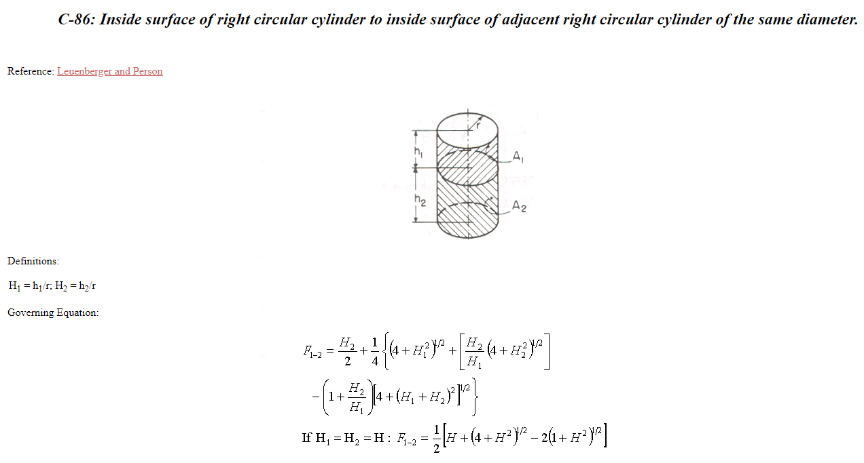
h1 | h2 | r | H1 | H2 | (H1+H2)^2 | 1+H1^2 | 1+H2^2 | 4+H1^2 | 4+H2^2 | H2/H1 | 1+H2/H1 | term 1 | fact 1 | fact2 | f3 | F12 | F21
1 | 10 | 1 | 1 | 10 | 121 | 2 | 101 | 5 | 104 | 10 | 11 | 5 | 2.2360679775 | 101.98039027 | -122.98373876 | 0.30817987 | 0.030817987172

 |  |  |  |  |  |  |  |  |  |  |  |  |  |  |  | 0.30837650321
 |  |  |  |  |  |  |  |  |  |  |  |  |  |  |  | 0.00019663
 |  |  |  |  |  |  |  |  |  |  |  |  |  |  |  | 0.30837650
 |  |  |  |  |  |  |  |  |  |  |  |  |  |  |  | -0.00019663
 |  |  |  |  |  |  |  |  |  |  |  |  |  |  |  | 0.00019663

